3. FD
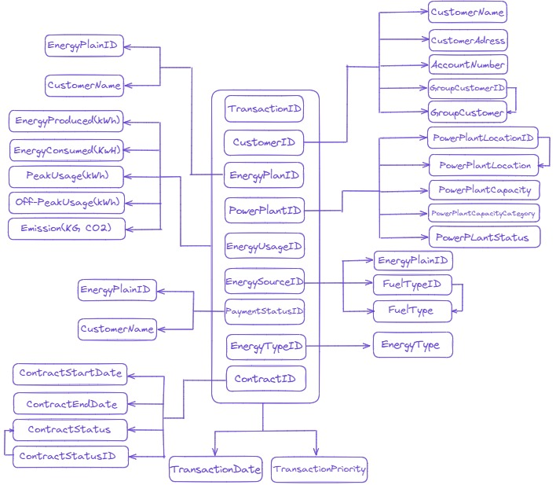
FD | Buat Notasi FD untuk FD Parsial, Transitif & Full
 | Buat Diagram FD

 | Primary Key di 1NF :
 | TransactionID | CustomerID | EnergyPlanID | PowerPlantID | EnergySourceID | EnergyTypeID | EnergyUsageID | PaymentStatusID | ContractID

 | FD FULL

 | Atribut yang sepenuhnya bergantung pada kunci utama.
 | {TransactionID,CustomerID, EnergyPlanID, PowerPlantID, EnergySourceID, EnergyTypeID, EnergyUsageID, PaymentStatusID, ContractID} → TransactionDate, TransactionPriority

 | FD PARTIAL

 | CustomerID → {CustomerName, CustomerAddress, AccountNumber, GroupCustomerID, GroupCustomer}
 | EnergyPlanID → {EnergyPlan, EnergyPlanDescription}
 | PowerPlantID → {PowerPlantLocationID, PowerPlantLocation, PowerPlantCapacity, PowerPlantCapacityCategory, PowerPlantStatusID, PowerPlantStatus}
 | EnergyUsageID → {EnergyProduced (kWh), EnergyConsumed (kWh), PeakUsage (kWh), Off-PeakUsage (kWh), Emissions (KG CO2)}
 | EnergySourceID → {EnergySource, FuelTypeID, FuelType}
 | PaymentStatusID → {BillingAmount, PaymentStatus}
 | EnergyTypeID → EnergyType
 | ContractID → {ContractStartDate, ContractEndDate, ContractStatusID, ContractStatus}

 | FD TRANSITIVE

 | PowerPlantID → PowerPlantLocationID → PowerPlantLocation
 | EnergySourceID → FuelTypeID → FuelType
 | ContractID → ContractStatusID → ContractStatus
 | PowerPlantID → PowerPlantStatusID → PowerPlantStatus
 | CustomerID → GroupCustomerID → GroupCustomer

7. ERD
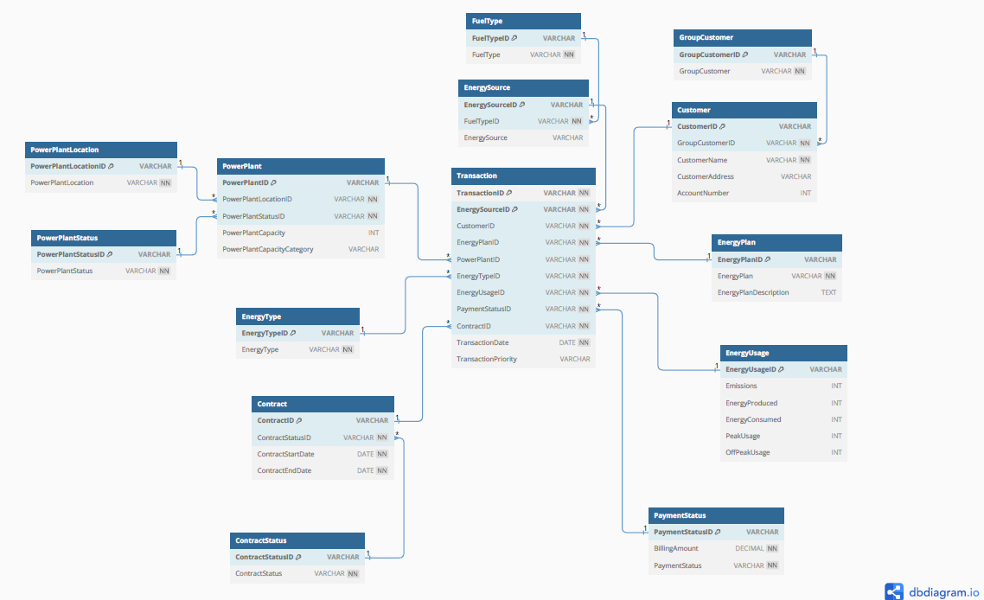
ERD | Buat ERD menggunakan Notasi Chen atau Crows Foot

